CLKCTRL(0x01)
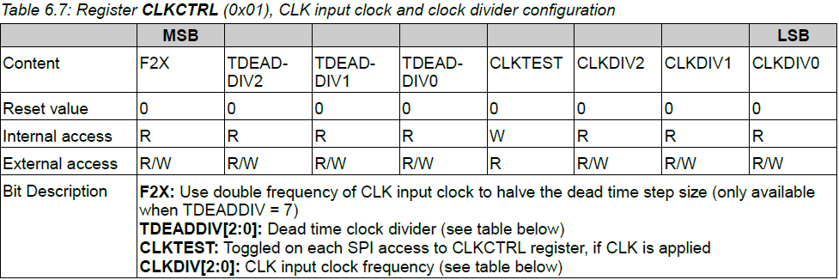
Register Name | CLKCTRL
Register Address | 0x01
Register Value | 0x00

CHIPCTRL(0x02)
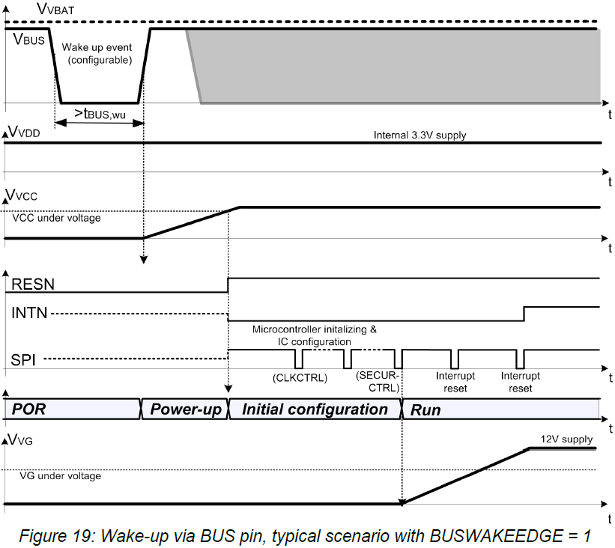
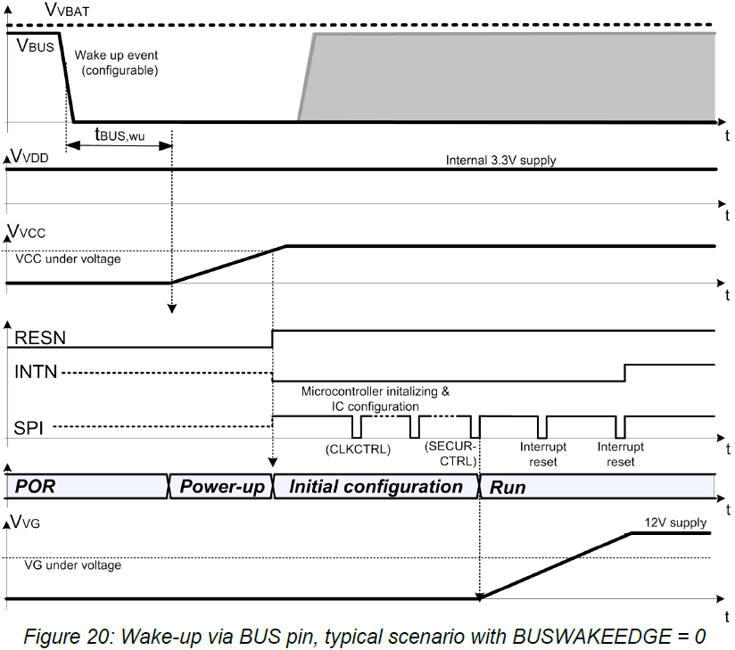
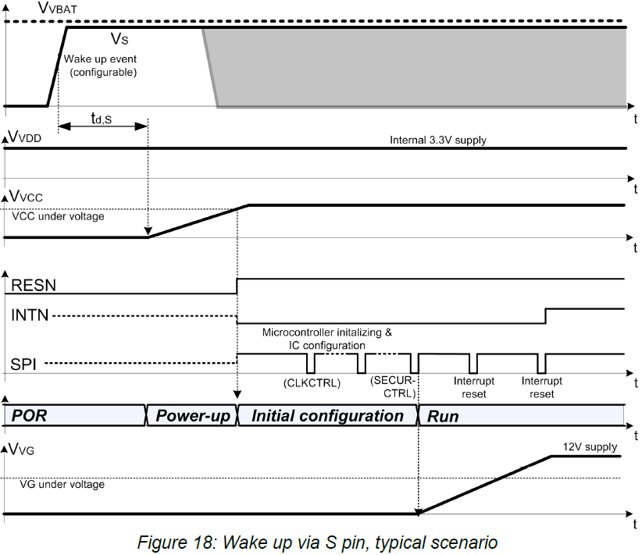
Register Name | CHIPCTRL
Register Address | 0x02
Register Value | 0x03

SLEEPCTRL(0x03)
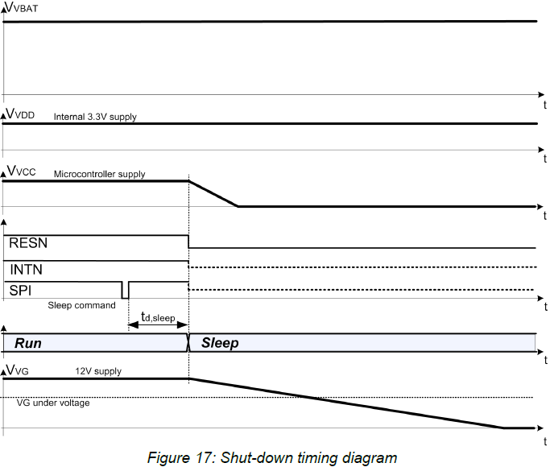
Register Name | SLEEPCTRL
Register Address | 0x03
Register Value | 0x03 | if) Enter Sleep Mode

SECURCTRL(0x04)
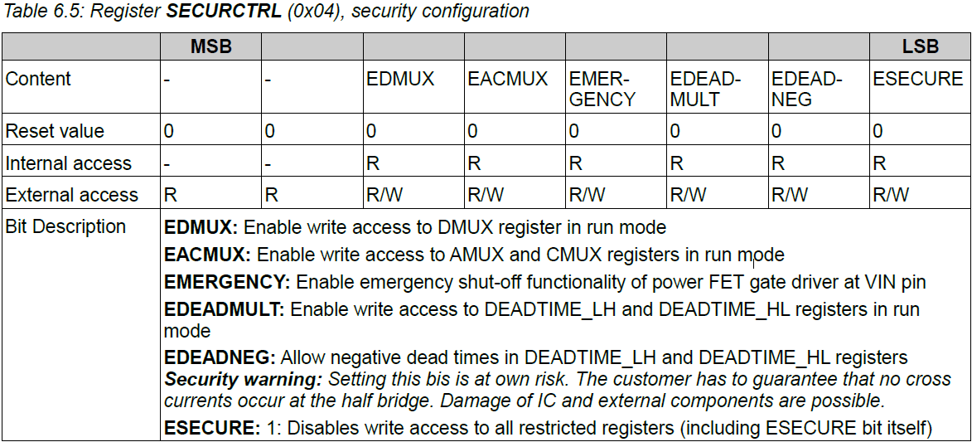
Register Name | SECURCTRL
Register Address | 0x04
Register Value | 0x01

SAFECTRL(0x05)
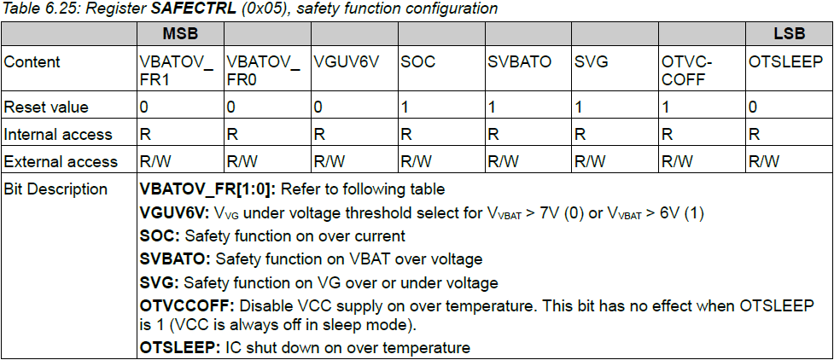
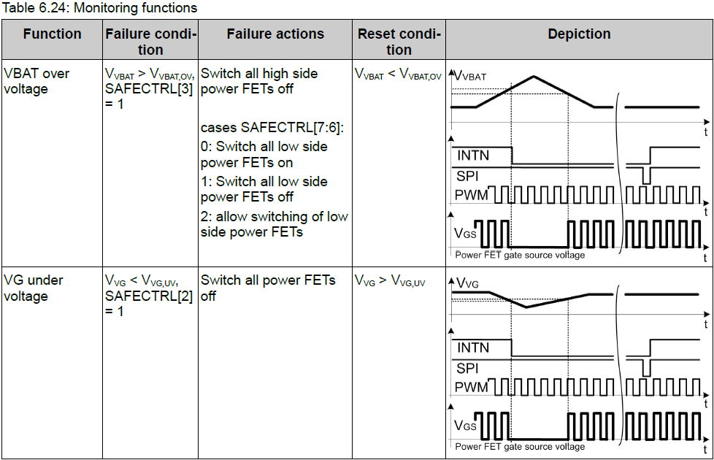
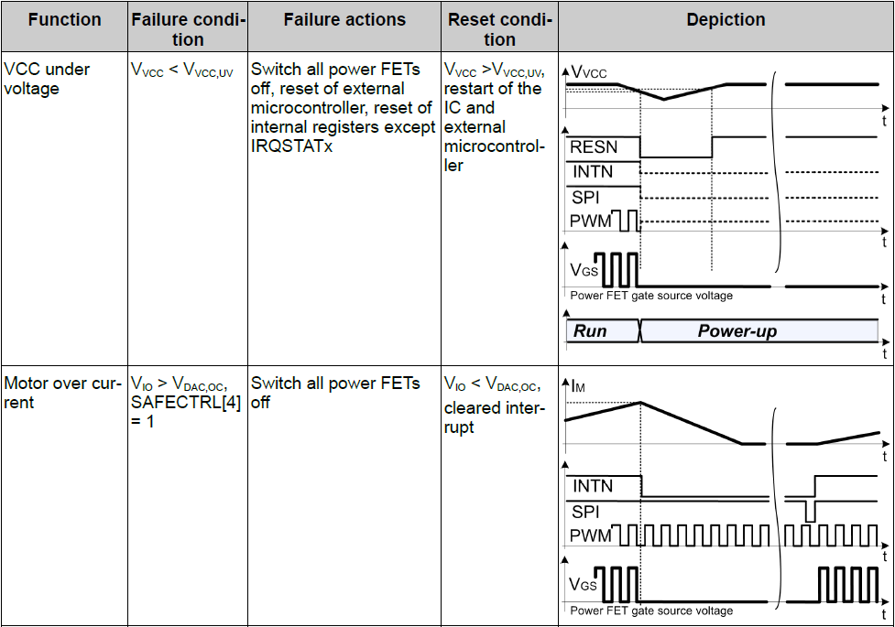
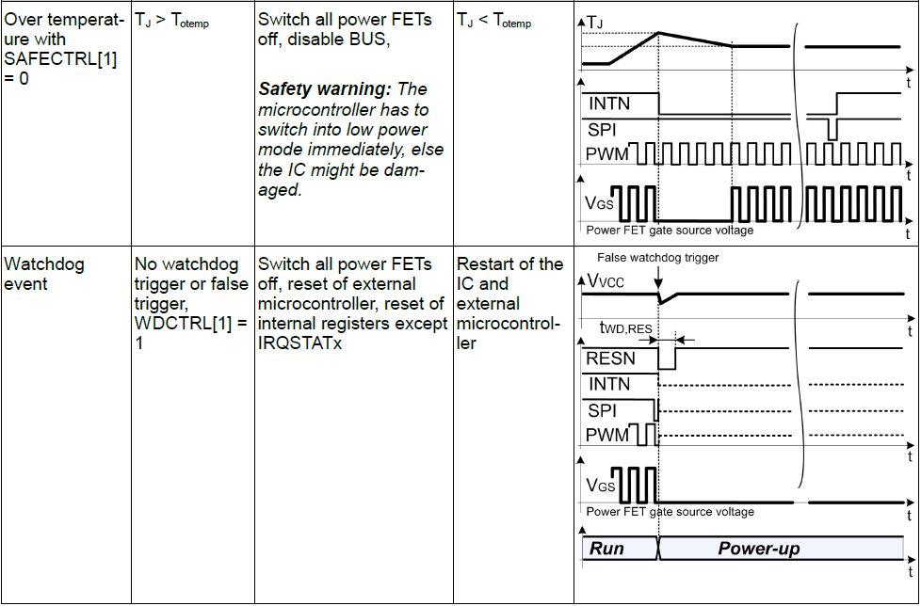
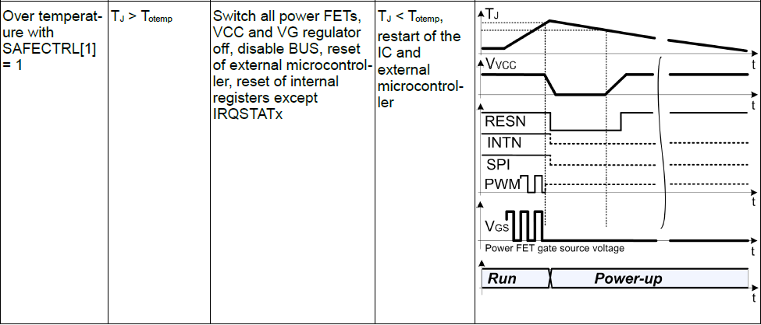
Register Name | SAFECTRL
Register Address | 0x05
Register Value | 0x5E

IOCFG(0x06)
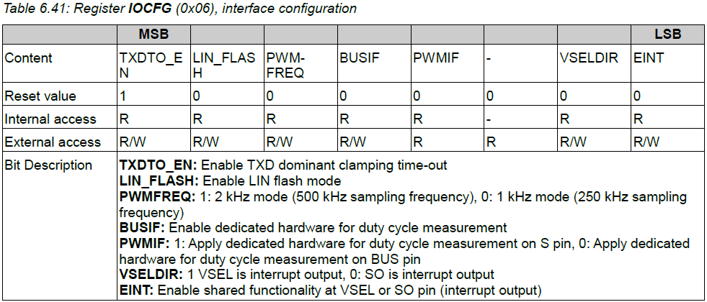
Register Name | IOCFG
Register Address | 0x06
Register Value | 0x83

VREGCTRL(0x07)
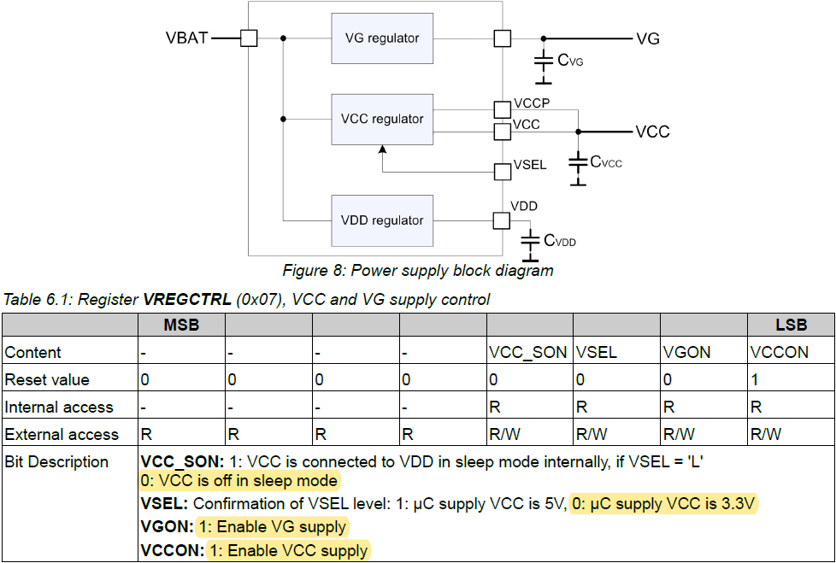
Register Name | VREGCTRL
Register Address | 0x07
Register Value | 0x03

SCPCTRL(0x0B)
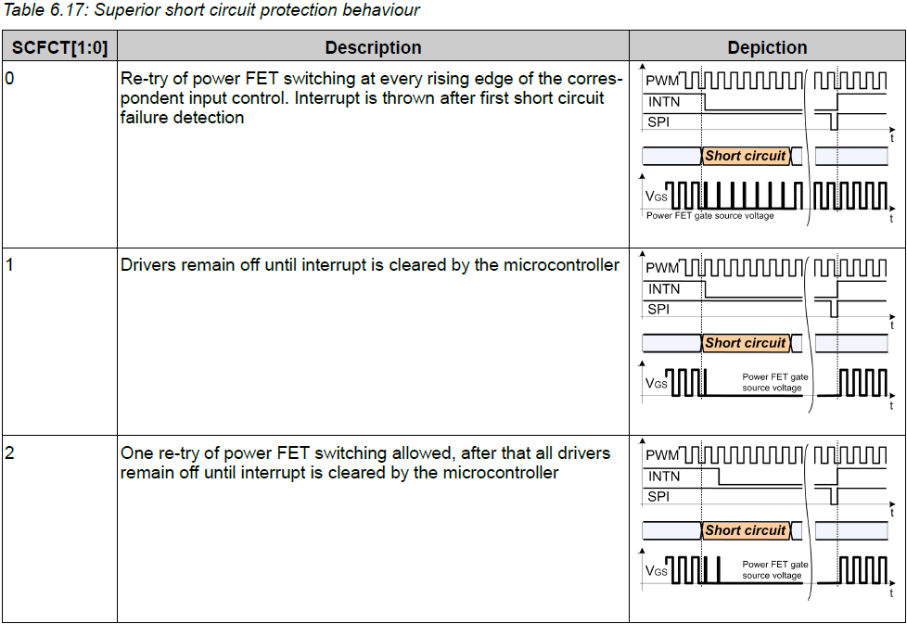
Register Name | SCPCTRL
Register Address | 0x0B
Register Value | 0x11

WDCTRL(0x10)
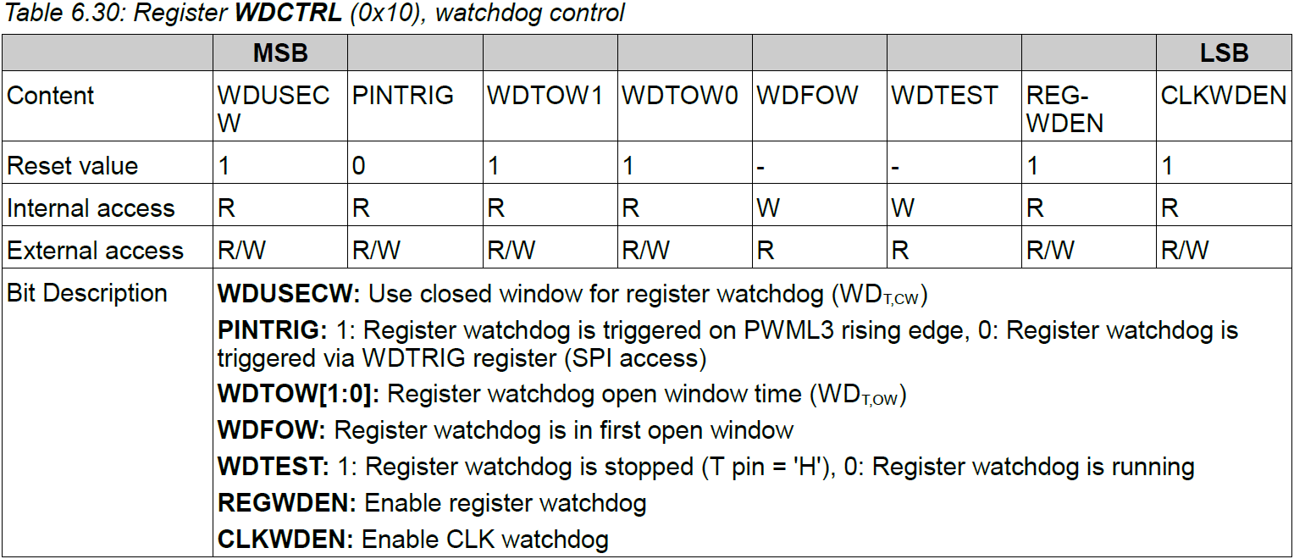
Register Name | WDCTRL
Register Address | 0x10
Register Value | 0xB2

IRQMSK(0x12, 0x14)
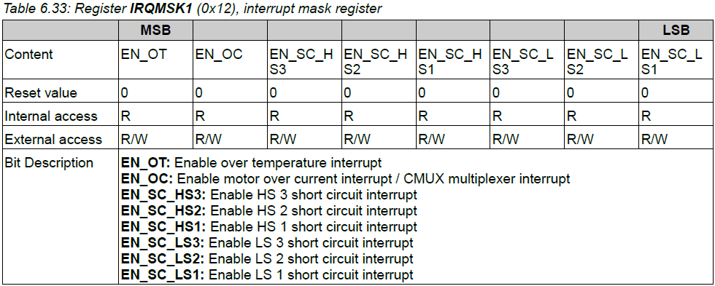
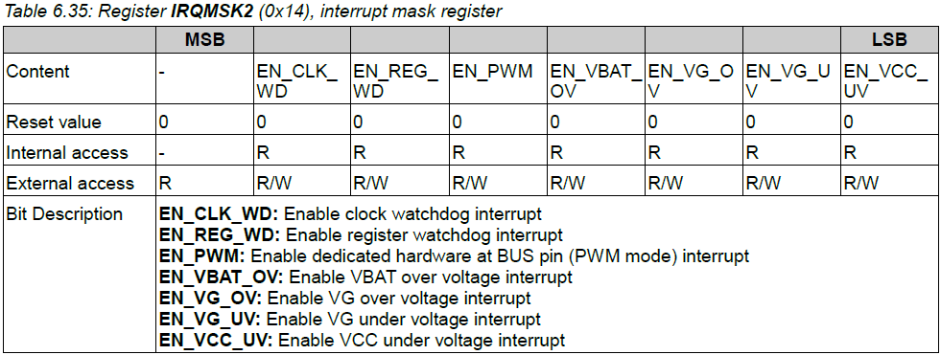
Register Name | IRQMSK1 | Register Name | IRQMSK2
Register Address | 0x12 | Register Address | 0x14
Register Value | 0xFF | Register Value | 0x2F

IRQSTATx(0x13, 0x15)
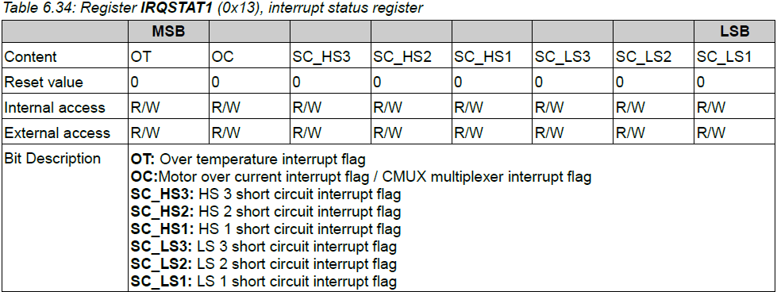
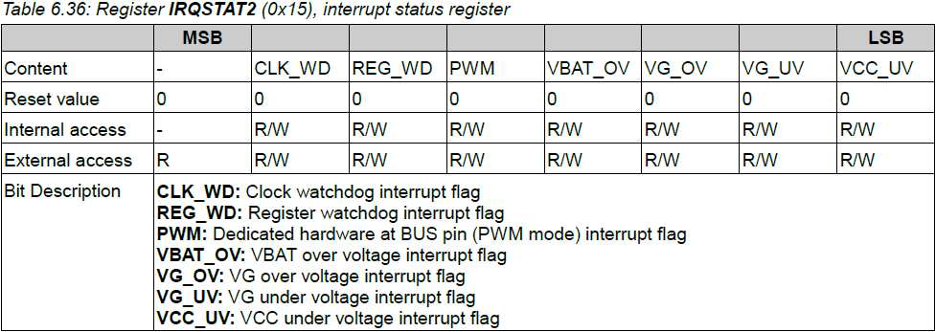
Register Name | IRQSTAT1 | Register Name | IRQSTAT2
Register Address | 0x12 | Register Address | 0x15
Register Value | 0xFF | Register Value | 0xFF

AMUX(0x17)
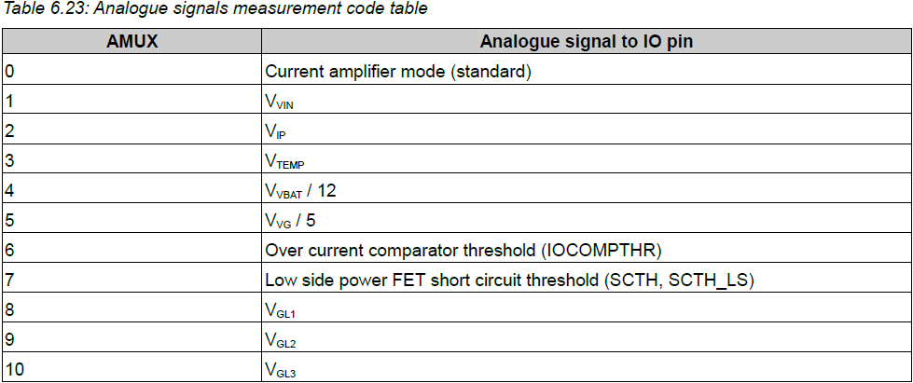
Register Name | AMUX
Register Address | 0x17
Register Value | 0x00

CMUX(0x18)
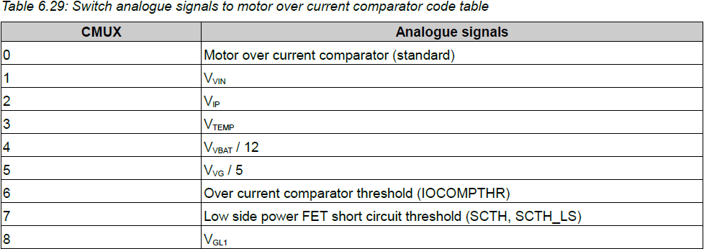
Register Name | CMUX
Register Address | 0x18
Register Value | 0x00

DMUX(0x19)
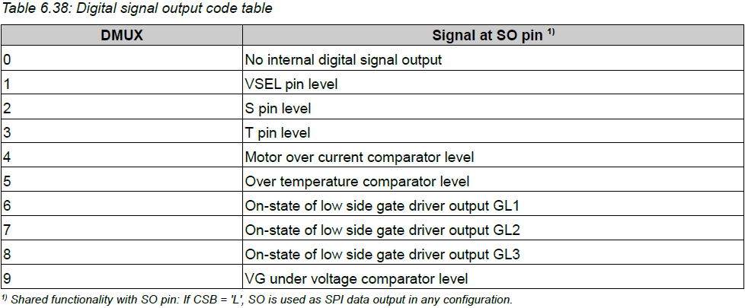
Register Name | DMUX
Register Address | 0x19
Register Value | 0x00

DMONx(0x1A, 0x1B)
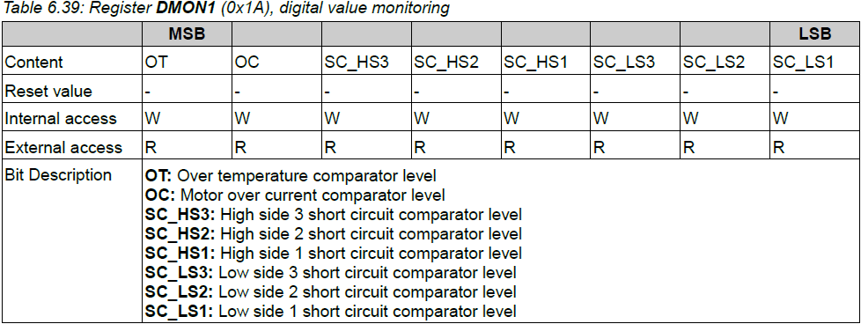
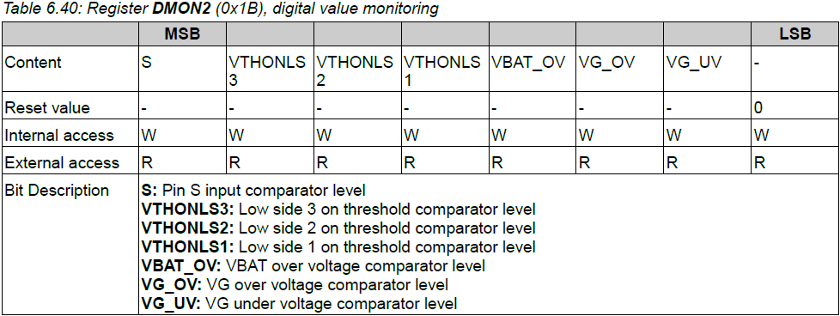
Register Name | DMON1 | Register Name | DMON2
Register Address | 0x1A | Register Address | 0x1B
Register Value | Only Read | Register Value | Only Read

BRIDGEMODE(0x20)
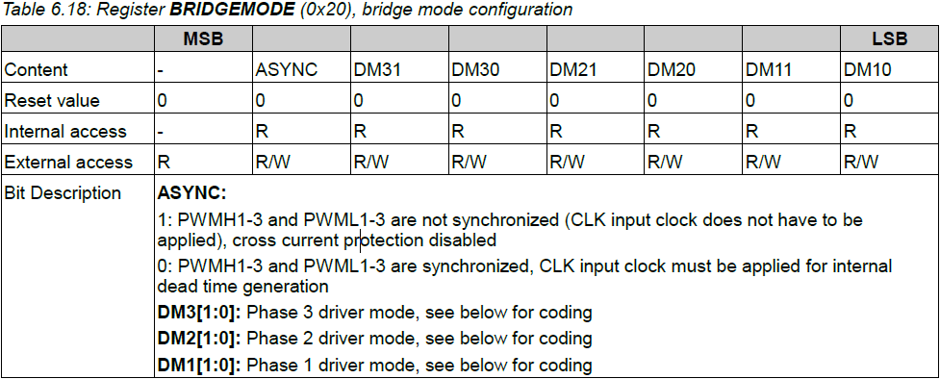
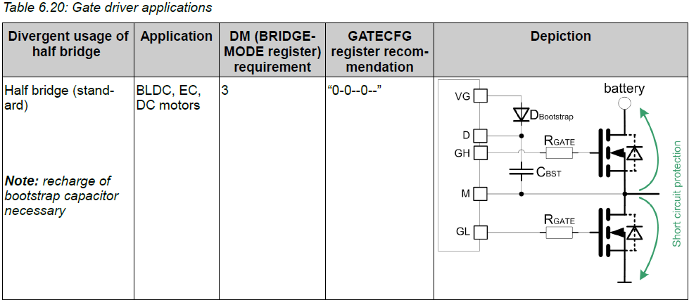
Register Name | BRIDGEMODE
Register Address | 0x20
Register Value | 0x7F

GATECFG(0x21, 0x22, 0x23)
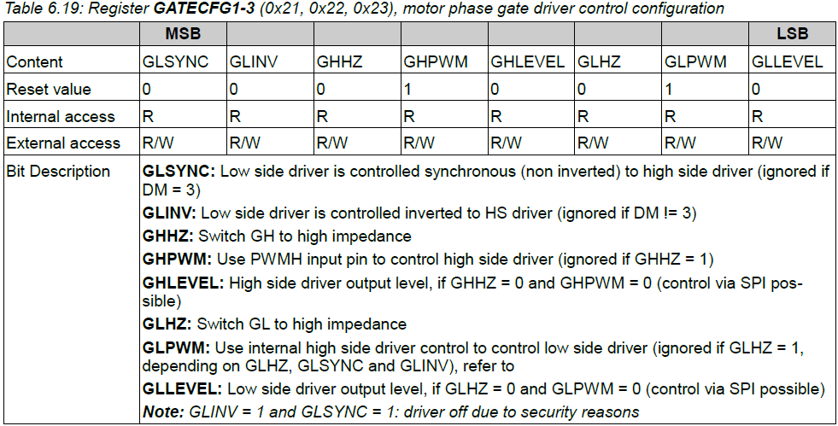
Register Name | GATECFG1 | Register Name | GATECFG2 | Register Name | GATECFG3
Register Address | 0x21 | Register Address | 0x22 | Register Address | 0x23
Register Value | 0x12 | Register Value | 0x12 | Register Value | 0x12

